Results
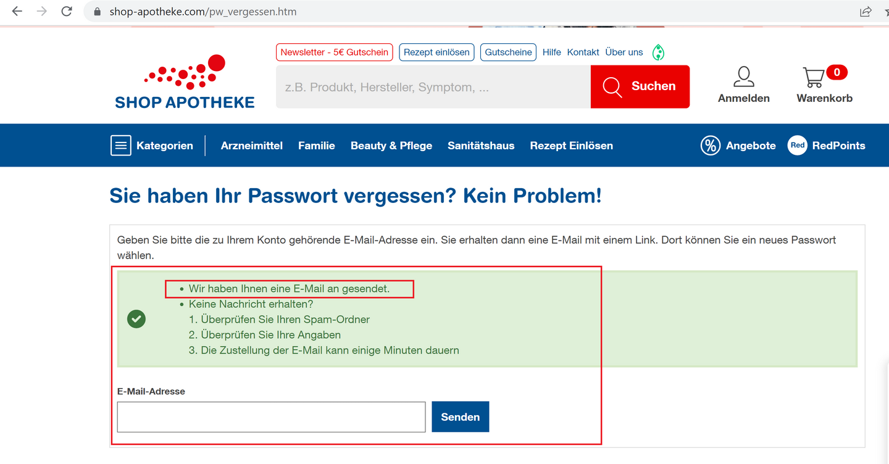
Bug found:

Description: | Email verification page for password reset: Submitting an empty email form returns success message

URL: | https://www.shop-apotheke.com/pw_vergessen.htm

Environment: | Desktop: Windows 10, Chrome 104.0.5112.102, Firefox 104.0, Edge 104.0.1293.70 | Mobile browser: Android 12, Chrome 104.0.5112.97

Steps to reproduce: | 1. "E-Mail-Adresse" field is left blank
 | 2. User clicks on "Senden" button

Expected result: | Error message should be displayed

Actual result: | Confirmation that the email has been sent is displayed

Priority: | Medium

Screenshot:

